T545 SSD Cap calcularor
Please fill in below application information in yellow column |  |  |  | Suitable P/N | Vr(Volt) | H(mm) | Case Size | C(uF) | Cap Qty | KEMET P/N | Courtyard Lc (mm) | Courtyard Wc(mm) | LcxWc ( mm2) | total area for Caps (mm2)
Cap height limination H≦ | 2 | mm | 1 | Y | 6.3 | 2.0 | H/7360-20 | 1000 | 13 | T545H108M006ATE055 | 8.26 | 6.54 | 54.0204 | 702.27
Total hold up time T= | 30 | ms | 2 | ` | 6.3 | 2.0 | H/7360-20 | 1500 | 9 | T545H158M006ATE035 | 8.26 | 6.54 | 54.0204 | 486.18
Charge voltage V1= | 5.7 | Volt | 3 | Y | 6.3 | 2.0 | H/7360-20 | 1500 | 9 | T545H158M006ATE055 | 8.26 | 6.54 | 54.0204 | 486.18
Stop voltage V2= | 3.3 | Volt | 4 | Y | 6.3 | 2.0 | V/7343-20 | 330 | 38 | T545V337M006ATE045 | 8.26 | 4.84 | 39.9784 | 1,519.18
Output Power P= | 4.50 | Watt | 5 | Y | 6.3 | 1.5 | W/7343-15 | 470 | 27 | T545W477M006ATE035 | 8.26 | 4.84 | 39.9784 | 1,079.42
 |  |  | 6 | Y | 6.3 | 1.5 | W/7343-15 | 470 | 27 | T545W477M006ATE055 | 8.26 | 4.84 | 39.9784 | 1,079.42
Minimum Vr= | 6.3 | Volt | 7 | Y | 6.3 | 2.0 | V/7343-20 | 470 | 27 | T545V477M006ATE055 | 8.26 | 4.84 | 39.9784 | 1,079.42
Total Energy E= | 135.0 | mJ | 8 | Y | 10 | 2.0 | V/7343-20 | 220 | 57 | T545V227M010ATE045 | 8.26 | 4.84 | 39.9784 | 2,278.77
Total Capacitance C= | 12,500.0 | uF | 9 |  | 10 | 4.0 | Y/7343- 40 | 330 | 0 | T545Y337M010ATE035 | 8.26 | 4.84 | 39.9784 | -
$$E=P×T=\frac{1}{2}C\left({V_{1}}^{2}−{V_{2}}^{2}\right)$$
$C=\frac{2E}{({V_{1}}^{2}−{V_{2}}^{2})}$
 |  |  | 10 | Y | 16 | 1.5 | W/7343-15 | 47 | 266 | T545W476M016ATE045 | 8.26 | 4.84 | 39.9784 | 10,634.25
 |  |  | 11 | Y | 16 | 2.0 | V/7343-20 | 47 | 266 | T545V476M016ATE070 | 8.26 | 4.84 | 39.9784 | 10,634.25
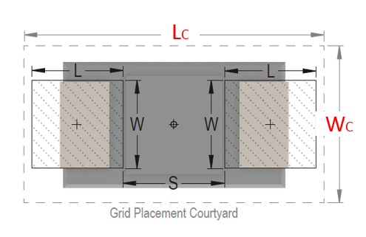
 |  |  | 12 |  | 16 | 4.3 | X/7343- 43 | 150 | 0 | T545X157M016ATE040 | 8.27 | 4.85 | 40.1095 | -
 |  |  | 13 | Y | 16 | 2.0 | H/7360-20 | 180 | 70 | T545H187M016ATE055 | 8.26 | 6.54 | 54.0204 | 3,781.43
 |  |  | 14 |  | 16 | 4.3 | X/7343- 43 | 220 | 0 | T545X227M016ATE035 | 8.26 | 4.84 | 39.9784 | -
 |  |  | 15 |  | 16 | 4.3 | X/7343- 43 | 330 | 0 | T545X337M016ATE025 | 8.26 | 4.84 | 39.9784 | -
 |  |  | 16 | Y | 16 | 2.0 | V/7343-20 | 100 | 125 | T545V107M016ATE050 | 8.26 | 4.84 | 39.9784 | 4,997.30
 |  |  | 17 | Y | 20 | 2.0 | V/7343-20 | 47 | 266 | T545V476M020ATE090 | 8.26 | 4.84 | 39.9784 | 10,634.25

